Sheet1
 |  | Document No. | Issue No. | Issue Date |  | Review and Replace Date |  | Authorised By
 |  | GFF029MC | 5 | 29.10.2018 |  | 27.10.2022 |  | Magda Shah
 |  | Document Title | 12 Vol Au Vent Selection 144g
Document amendments reason for change |  | Film Updated |  | Page 1 of 1 | Previous Issue Date |  | 08.04.2022 | Uncontrolled copy unless signed original

CCVOSL-R1TEB | BOOTHS - XMAS |  | 12 VOL AU VENT SELECTION 144g
STEP 1 |  |  |  |  | STEP 2
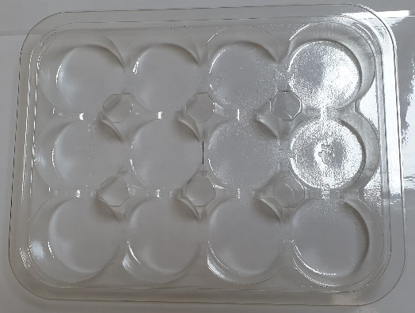 |  |  |  |  | 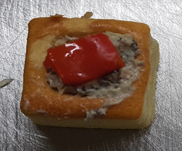

Tray: C5 12 CAV Round - CLEAR (PKHOL001-06) |  |  |  |  | 6 x Chicken & Mushroom Vol au Vents (GFF191R) 12g (72g)
Film: K-peel 7G+25A/f-275mm (PKKMP001-03)
STEP 3 |  |  |  |  | STEP 4
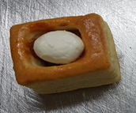 |  |  |  |  | 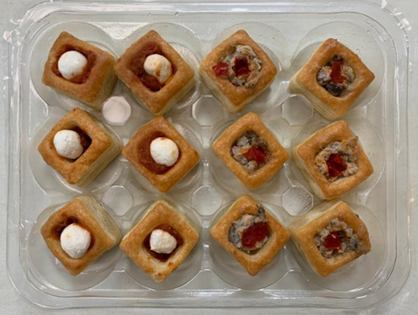

6 x Goat Cheese & Sundried Tomato Vol au Vents (GFF193R) 12g (72g) |  |  |  |  | TOTAL WEIGHT: 144g

ALLERGY ALERT: MILK, WHEAT

